Guide
 |  |  |  | *** Please fill in the column that highlighted in yellow Column A - Invoice no Column B - Invoice Date (Format DD-MM-YYYY) Column C - Customer name Column E - Description Column F - Product Name Column H - Total value per item including GST Column I - Unit of measurement Column K - Customer payment term

Journal Entry Name | Invoice date | Partner | Invoice Lines/Account | Invoice Lines/Description | Invoice Lines/Product | Invoice Lines/Quantity | Invoice Lines/Unit Price | Invoice Lines/Unit of measure | Journal | Payment Terms | Currency | Account | Invoice Lines / Taxes | Invoice Lines / Analytic Account

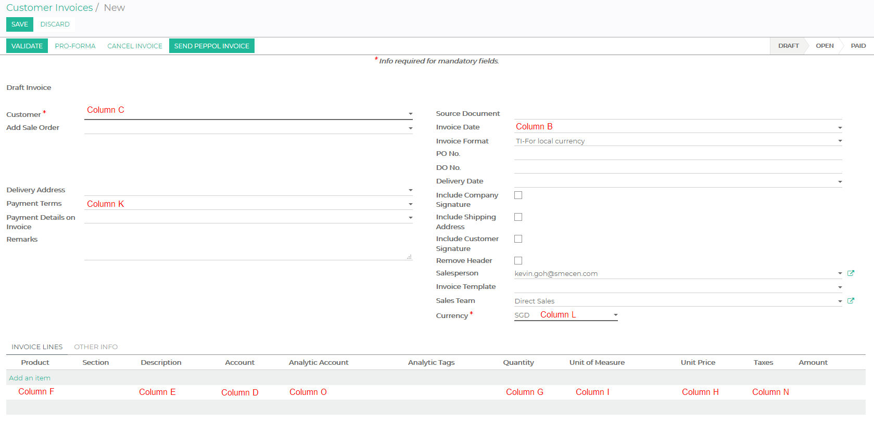

 |  |  |  |  |  | Note
 |  |  |  |  |  | • Please fill up all yellow highlighted headers.
 |  |  |  |  |  | • Please consult a DashBod Support Staff for column D as there are different ways of importing
 |  |  |  |  |  | • If you want to import the other fields in the screenshot given and there is not labeled, please also consult our friendly DashBod Support Staff for more details

